Location Plan & Summary
Intelligent Data Collection Limited

Client: | Bristol County Council |  | Date of Survey: |  | 09.07.2015
Project Number: | ID02343 |  | Site Name: |  | Bouverie Street
Site Number: | ANPR Site 10 |  | Survey Type: |  | Two-way Link Count

X Coordinate |  | Y Coordinate |  | Google Maps Link
51.461594 |  | -2.567488 |  | Click Here
AM Peak Conditions |  | Inter-Peak Conditions |  | PM Peak Conditions
Clear and Sunny |  | Clear and Sunny |  | Clear and Sunny
Junction Layout

N

 |  | Arm A - Bouverie Street (W)

 |  |  |  |  |  | Arm B - Bouverie Street (E)

Aerial Mapping and On-site Camera View
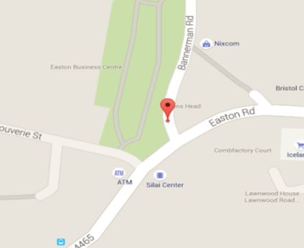

Arm A - Bouverie Street (W)

Arm B - Bouverie Street (E)

Junction Flow Profile
Arm Approach Flows (All Vehicles)
 | A to B (Eastbound) | B to A (Westbound) | Two-way Total
7:00:00 | 13 | 5 | 18
7:15:00 | 18 | 12 | 30
7:30:00 | 14 | 21 | 35
7:45:00 | 21 | 15 | 36
8:00:00 | 25 | 17 | 42
8:15:00 | 31 | 16 | 47
8:30:00 | 26 | 18 | 44
8:45:00 | 29 | 16 | 45
9:00:00 | 31 | 16 | 47
9:15:00 | 19 | 28 | 47
9:30:00 | 27 | 15 | 42
9:45:00 | 17 | 22 | 39
10:00:00 | 19 | 14 | 33
10:15:00 | 20 | 16 | 36
10:30:00 | 24 | 14 | 38
10:45:00 | 16 | 23 | 39
11:00:00 | 21 | 13 | 34
11:15:00 | 15 | 22 | 37
11:30:00 | 17 | 19 | 36
11:45:00 | 20 | 17 | 37
12:00:00 | 23 | 20 | 43
12:15:00 | 25 | 39 | 64
12:30:00 | 22 | 27 | 49
12:45:00 | 22 | 24 | 46
13:00:00 | 30 | 18 | 48
13:15:00 | 30 | 25 | 55
13:30:00 | 33 | 29 | 62
13:45:00 | 44 | 24 | 68
14:00:00 | 38 | 14 | 52
14:15:00 | 29 | 21 | 50
14:30:00 | 30 | 22 | 52
14:45:00 | 24 | 30 | 54
15:00:00 | 36 | 24 | 60
15:15:00 | 26 | 24 | 50
15:30:00 | 41 | 27 | 68
15:45:00 | 33 | 33 | 66
16:00:00 | 49 | 27 | 76
16:15:00 | 42 | 30 | 72
16:30:00 | 54 | 24 | 78
16:45:00 | 44 | 22 | 66
17:00:00 | 43 | 29 | 72
17:15:00 | 33 | 22 | 55
17:30:00 | 50 | 27 | 77
17:45:00 | 51 | 30 | 81
18:00:00 | 36 | 23 | 59
18:15:00 | 38 | 27 | 65
18:30:00 | 47 | 22 | 69
18:45:00 | 46 | 30 | 76

Additional Notes (Factors which may impact on survey results such as accidents, roadworks, special events):

